Photos
Photos | Style code | Gender | Category | QTY | RRP
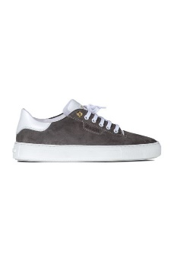 | 537987 | Women | Sneakers | 120 | 285.00 €
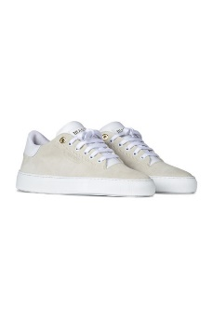 | 537986 | Women | Sneakers | 120 | 285.00 €
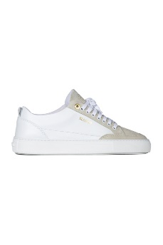 | 525572 | Women | Sneakers | 116 | 285.00 €
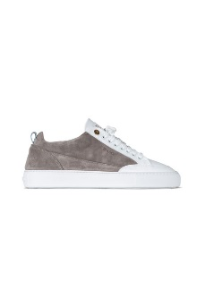 | 205773 | Unisex | Sneakers | 120 | 285.00 €
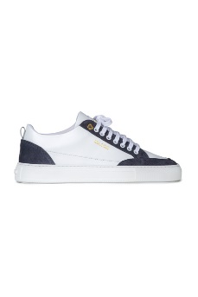 | 525573 | Women | Sneakers | 120 | 285.00 €
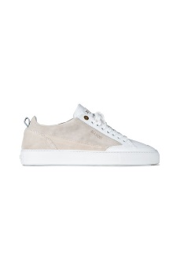 | 205776 | Unisex | Sneakers | 119 | 285.00 €
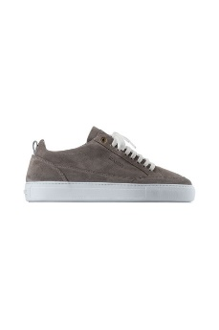 | 154735 | Unisex | Sneakers | 120 | 285.00 €
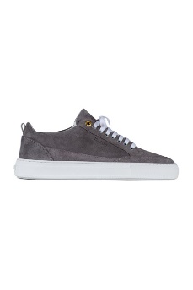 | 378807 | Women | Sneakers | 120 | 285.00 €
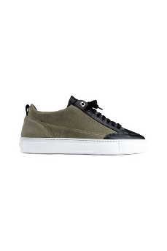 | 154726 | Unisex | Sneakers | 120 | 285.00 €
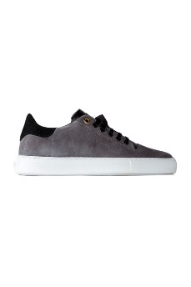 | 428775 | Men | Sneakers | 105 | 285.00 €
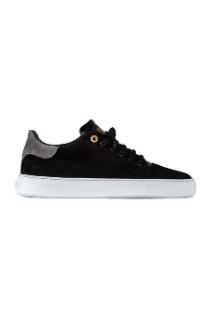 | 378817 | Men | Sneakers | 105 | 285.00 €
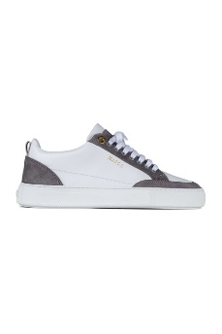 | 288605 | Men | Sneakers | 118 | 285.00 €
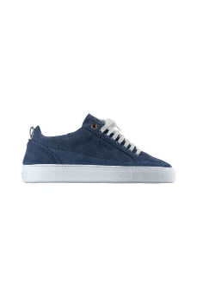 | 154730 | Unisex | Sneakers | 117 | 285.00 €
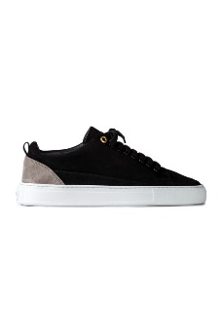 | 378808 | Women | Sneakers | 110 | 285.00 €
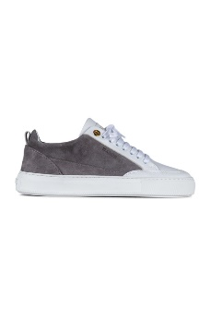 | 288604 | Men | Sneakers | 116 | 285.00 €
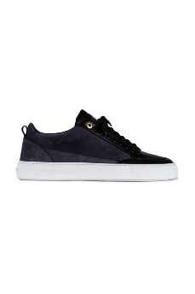 | 288599 | Women | Sneakers | 110 | 285.00 €
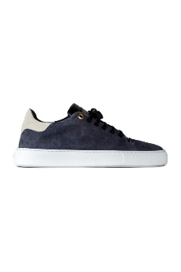 | 428773 | Men | Sneakers | 105 | 285.00 €
 | 428774 | Women | Sneakers | 104 | 285.00 €
 | 428772 | Women | Sneakers | 103 | 285.00 €
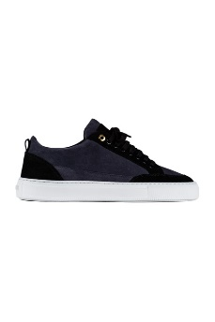 | 288603 | Women | Sneakers | 101 | 285.00 €
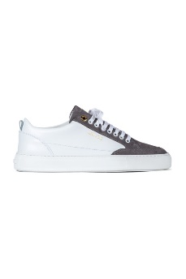 | 428770 | Women | Sneakers | 103 | 285.00 €
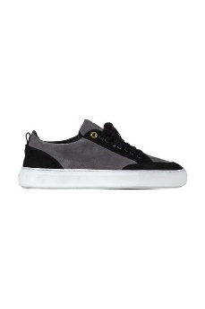 | 428766 | Women | Sneakers | 112 | 285.00 €
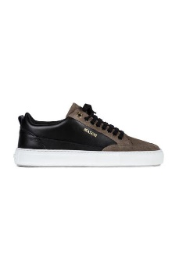 | 428768 | Women | Sneakers | 112 | 285.00 €
 | 154736 | Unisex | Sneakers | 98 | 285.00 €
 | 434761 | Women | Sneakers | 102 | 285.00 €
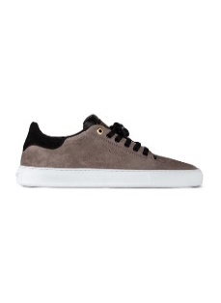 | 378818 | Women | Sneakers | 114 | 285.00 €
 | 378816 | Women | Sneakers | 108 | 285.00 €
 | 205771 | Unisex | Sneakers | 74 | 285.00 €
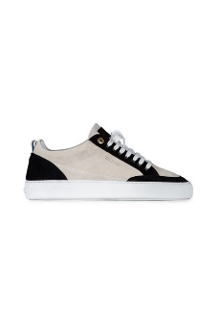 | 205765 | Unisex | Sneakers | 65 | 285.00 €
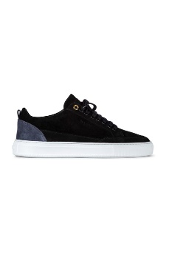 | 428764 | Women | Sneakers | 64 | 285.00 €
 | 205767 | Unisex | Sneakers | 63 | 285.00 €
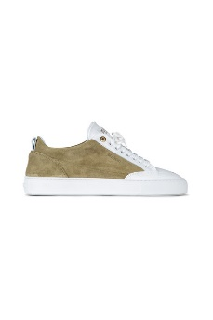 | 205774 | Unisex | Sneakers | 53 | 285.00 €
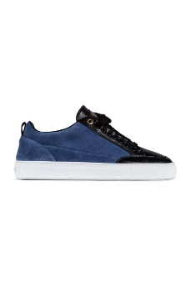 | 205770 | Unisex | Sneakers | 51 | 285.00 €
 | 205777 | Unisex | Sneakers | 43 | 285.00 €
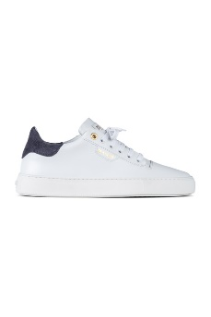 | 378814 | Women | Sneakers | 31 | 285.00 €
 | 616552 | Men | Sneakers | 26 | 285.00 €
 | 475215 | Women | Sneakers | 18 | 280.00 €
 | 437945 | Women | Sneakers | 30 | 285.00 €

